Cover
Current Client Counts and Characteristics of Persons Served Jointly by HCA-DSHS in ACHs
Spokane
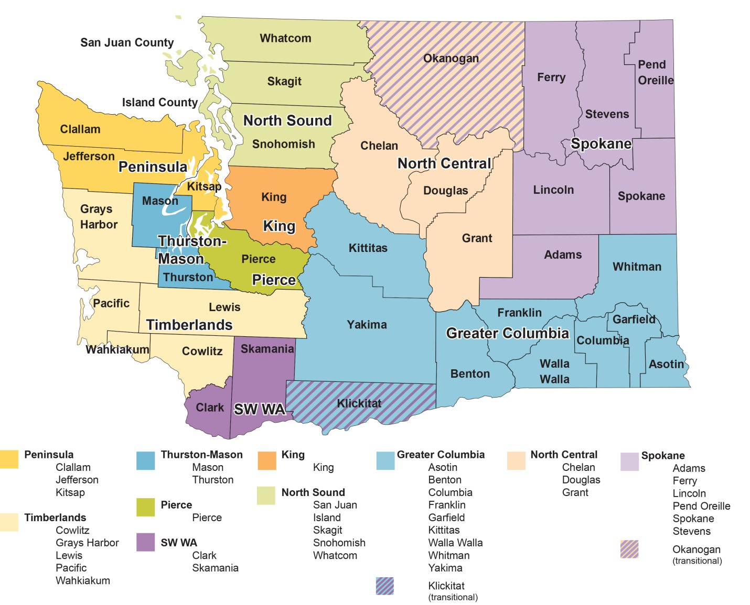

 | Prepared for Washington State Health Care Authority by DSHS Research and Data Analysis Division Olympia Washington, November 2015. Per E2SSB 6312

